Top_Egyptian_Players_Clubs_Coun
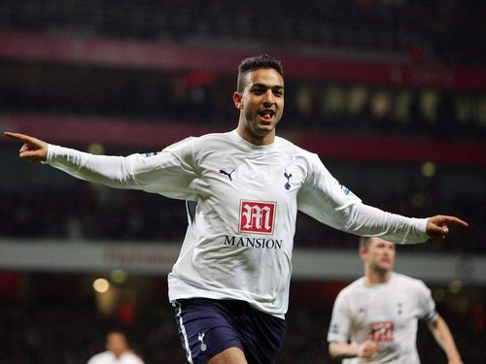
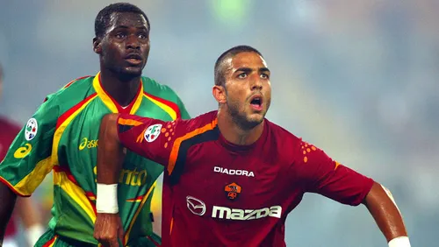
 |  | Mido
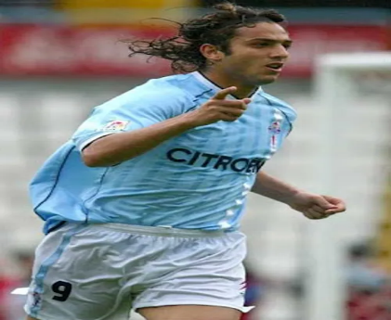
Top 10 Egyptians Players by Number of Different Clubs Played for

Player | Clubs Count
Amr Zaki | 2
Ahmed Hegazi | 2
Hany Ramzy | 2
Hossam Ghaly | 2
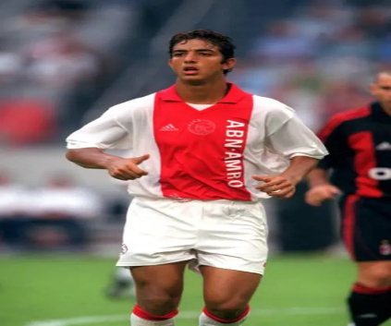
Ramadan Sobhi | 2
Ahmed Elmohamady | 3
Omar Marmoush | 4
Mohamed Zidan | 4
Mohamed Salah | 4
Mido | 7

